Theory
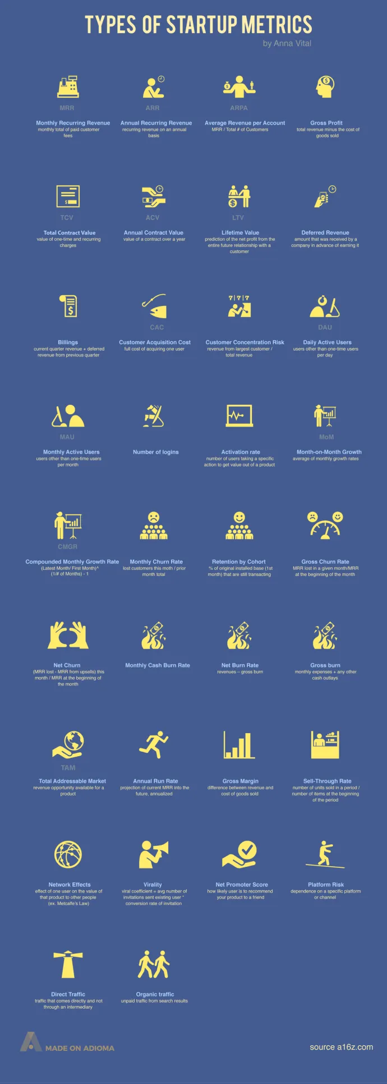

Key meteric to look for while evaluating for startups |  |  | Method 1 | Method 2 | Method 3
1 | Burn Rate | The Burn Rate is the negative cash flow of a company. It shows how quickly a startup is spending money. This key metric is essential for determining how much cash the company needs to keep operating and growing. | (Total amnt spend in a monthA -Total amnt spend in month B) / (Total amount spent month A x 10) = (%) Gross Burn Rate | (Total Amount Spent in Month A - Total Revenue Month A = Net Loss Month A | [Net Loss in month B - Net Loss in month A / Net Loss month A] /100 = (%) Net Burn Rate
2 | Activation Rate | The Activation Rate measures how many visitors are engaging with your website or app. Activation can be defined several different ways depending on your business including number of clicks, time on website, pages viewed, downloads, email/blog subscription, or even a trial signup. | 1. Active User numbers 2. Month Retention 3. Engagement Rates | Website Session / Activites completed = (%) Activation rate
3 | DAU – daily active users ratio MAU – Monthly Active Users | How engaged people are with your product. (30 rolling day window) - growth rate -> Revenue (Multiple for the active users | Daily Active Users / Monthly Actie Users = (DAU)/(MAU) Ratio
4 | Customer Churn Rate | (%) of the customers lost during a given period of time. [90 days, 120 days] -Fail to make a repeat puchase – Suscribe/Unsuscribe | [Total customer Churned this time period / Total Customer at the start of this time period] X 100 = (%) Customer Churn Rate
5 | Revenue Growth Rate | (month over month) percentage increase in revenues. - the rate - the basic products have a higher M-O-M rate - The abiliy to accelerate monthly revenues while decreasing the Month burn rate is to loo for the growth stage business. | [Revenues monthB - Revenues Month A] / Revenue Month A X 100 = (%) Revenues Growth Rate

 | 1) MRR (Monthly Recurring Revenue) = The amount of revenue you make that recurs monthly
 | 2) ARR (Annual Recurring Revenue) = The amount of revenue you receive that recurs yearly
 | 3) ARPA (Annual Revenue per Account) = MRR / Total # of Customers
 | 4) Gross Profit = Total revenue minus the cost of goods sold
 | 5) TCV (Total Contract Value) = Value of one-time and recurring charges
 | 6) ACV (Annual Contract Value) = The value that a contract will bring to your business annually
 | 7) LTV (Lifetime Value) = Prediction of the net profit from the entire future relationship with a customer
 | 8) Deferred Revenue = Amount that was received by a company in advance of earning it
 | 9) Billings = Current quarterly revenue + deferred revenue from the previous quarter
 | 10) CAC (Customer Acquisition Cost) = How much it costs, on average, to acquire a customer
 | 11) CCR (Customer Concentration Risk) = Revenue from largest customer / total revenue
 | 12) DAU (Daily Active Users) = The number of users that return to your startup’s site or app on a daily basis
 | 13) MAU (Monthly Active Users) = The number of users that return to your startup’s site or app on a monthly basis
 | 14) Number of Logins = The amount of times users have logged in to your portal
 | 15) Activation Rate = Number of users taking a specific action to get value out of a product
 | 16) MoM (Month-on-Month Growth) = The rate of growth from month to month, comparing the the current month or past 30 days to the previous month or last 31 to 60 days.
 | 17) CMGR (Compounded Monthly Growth Rate) = (Latest Month/First Month) ^ (1 / # of Months) – 1
 | 18) MCR (Monthly Churn Rate) = Lost customers this month / prior month total
 | 19) Retention by Cohort = % of original installed base (1st month) that are still transacting
 | 20) GCR (Gross Churn Rate) = MRR lost in a given month / MRR at the beginning of the month
 | 21) Net Churn = (MRR lost – MRR from upsells) this month / MRR at the beginning of the month
 | 22) Monthly Cash Burn Rate = How much money you spend per month (gross)
 | 23) Net Burn Rate = Revenues – gross burn
 | 24) Gross Burn = Monthly expenses + any other cash outlays
 | 25) TAM (Total Addressable Market) = Revenue opportunity available for a product
 | 26) ARR (Annual Run Rate) = Projection of current MRR into the future, annualized
 | 27) Gross Margin = Difference between revenue and cost of goods sold
 | 28) Sell-Through Rate = Number of units sold in a period/number of items at the beginning of the period
 | 29) Network Effects = Effect of one user on the value of that product to other people (example: Metcalfe’s Law)
 | 30) Virality = Viral coefficient = average number of invitations sent existing user * conversion rate of invitation
 | 31) NPS (Net Promoter Score) = How likely user is to recommend your product to a friend
 | 32) Platform Risk = Dependence on a specific platform or channel
 | 33) Direct Traffic = Traffic coming directly to your site via a link or entering the URL
 | 34) Organic Traffic = Unpaid traffic from search results

